Film Summary
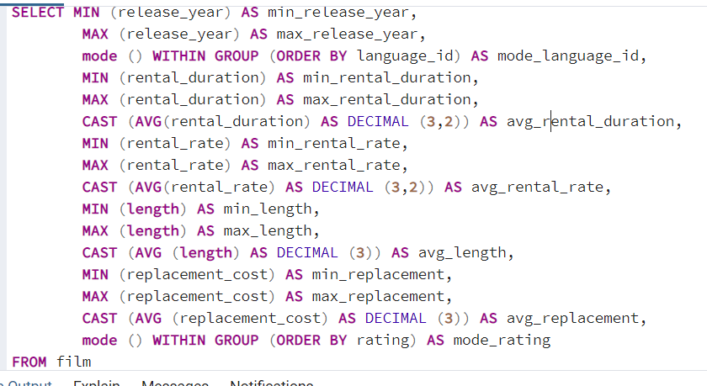
min_release_year | max_release_year | mode_language_id | min_rental_duration | max_rental_duration | avg_rental_duration | min_rental_rate | max_rental_rate | avg_rental_rate | min_length | max_length | avg_length | min_replacement | max_replacement | avg_replacement | mode_rating
2006 | 2006 | 1 | 3 | 7 | 4.99 | 0.99 | 4.99 | 2.98 | 46 | 185 | 115 | 9.99 | 29.99 | 20 | PG-13

Film Summary 2
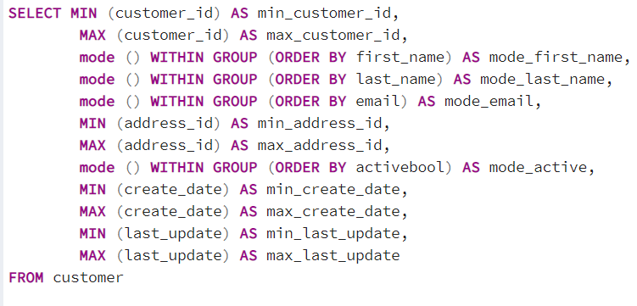
min_customer_id | max_customer_id | mode_first_name | mode_last_name | mode_email | min_address_id | max_address_id | mode_active | min_create_date | max_create_date | min_last_update | max_last_update
1 | 599 | Jamie | Abney | aaron.selby@sakilacustomer.org | 5 | 605 | TRUE | 2006-02-14 | 2006-02-14 | 2013-05-26 14:49:45 | 2013-05-26 14:49:45

Revenue by Genre
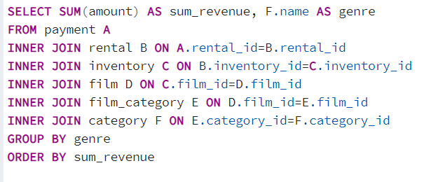
sum_revenue | genre
47.89 | Thriller
3071.52 | Music
3227.36 | Travel
3309.39 | Children
3353.38 | Classics
3401.27 | Horror
3749.65 | Documentary
3782.26 | Family
3922.18 | Games
3934.47 | Foreign
3951.84 | Action
3966.38 | New
4002.48 | Comedy
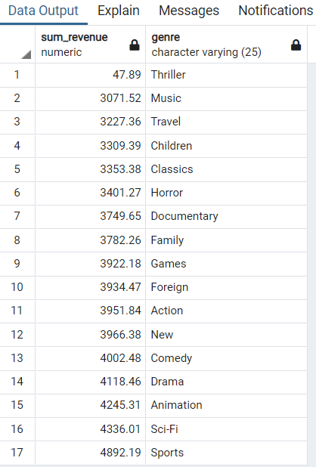
4118.46 | Drama
4245.31 | Animation
4336.01 | Sci-Fi
4892.19 | Sports

Average Days Rented per Genre
average_days_rented | genre
5.1617647059 | Family
5.0655737705 | Games
4.8939393939 | Animation
5.0701754386 | Classics
4.7647058824 | Documentary
4.746031746 | New
4.7162162162 | Sports
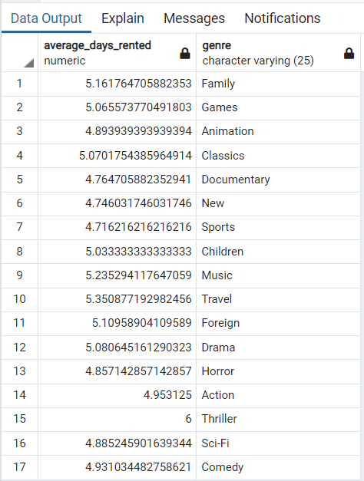
5.0333333333 | Children
5.2352941176 | Music
5.350877193 | Travel
5.1095890411 | Foreign
5.0806451613 | Drama
4.8571428571 | Horror
4.953125 | Action
6 | Thriller
4.8852459016 | Sci-Fi
4.9310344828 | Comedy

Customer, Name, Email
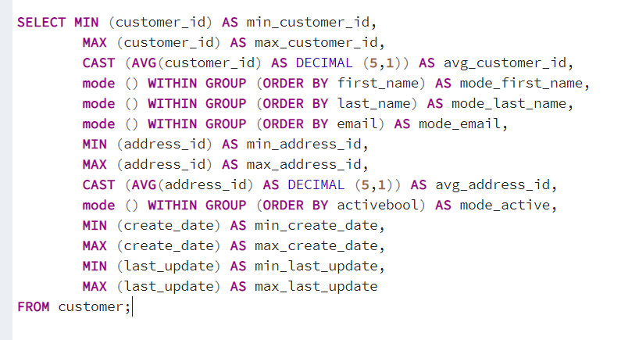
min_customer_id | max_customer_id | avg_customer_id | mode_first_name | mode_last_name | mode_email | min_address_id | max_address_id | avg_address_id | mode_active | min_create_date | max_create_date | min_last_update | max_last_update
1 | 599 | 300 | Jamie | Abney | aaron.selby@sakilacustomer.org | 5 | 605 | 304.7 | TRUE | 2006-02-14 | 2006-02-14 | 2013-05-26 14:49:45 | 2013-05-26 14:49:45

Top 10 films
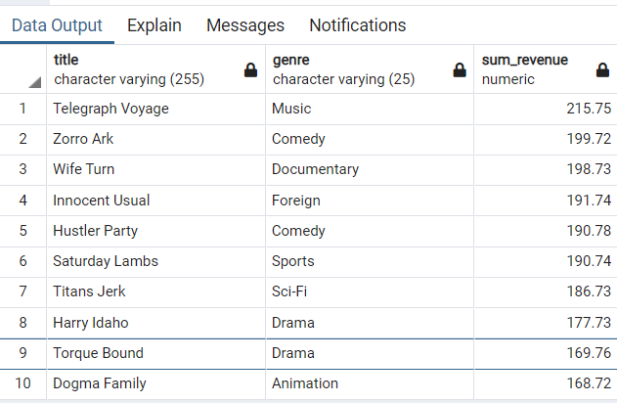
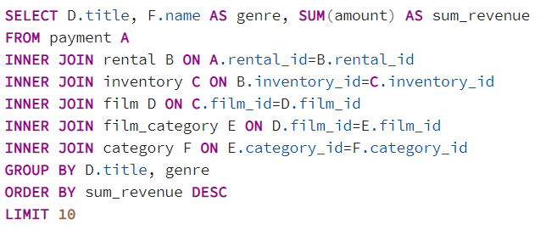
title | genre | sum_revenue
Telegraph Voyage | Music | 215.75
Zorro Ark | Comedy | 199.72
Wife Turn | Documentary | 198.73
Innocent Usual | Foreign | 191.74
Hustler Party | Comedy | 190.78
Saturday Lambs | Sports | 190.74
Titans Jerk | Sci-Fi | 186.73
Harry Idaho | Drama | 177.73
Torque Bound | Drama | 169.76
Dogma Family | Animation | 168.72

Bottom 10 films
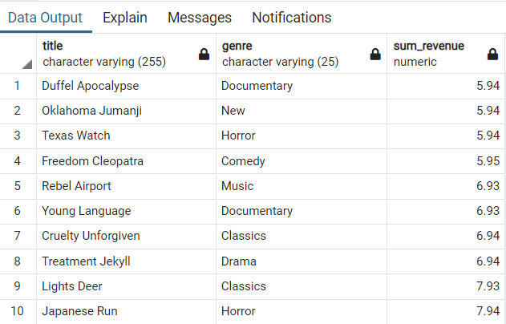
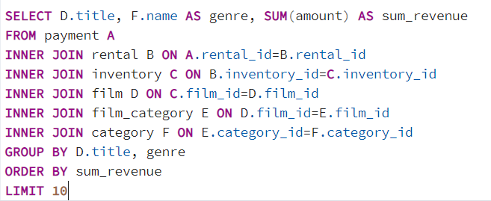
title | genre | sum_revenue
Duffel Apocalypse | Documentary | 5.94
Oklahoma Jumanji | New | 5.94
Texas Watch | Horror | 5.94
Freedom Cleopatra | Comedy | 5.95
Rebel Airport | Music | 6.93
Young Language | Documentary | 6.93
Cruelty Unforgiven | Classics | 6.94
Treatment Jekyll | Drama | 6.94
Lights Deer | Classics | 7.93
Japanese Run | Horror | 7.94

Address and City Join
address_id | address_id-2 | city_id
530 | 530 | 419
5 | 5 | 463
6 | 6 | 449
7 | 7 | 38
8 | 8 | 349
9 | 9 | 361
10 | 10 | 295
11 | 11 | 280
12 | 12 | 200
13 | 13 | 329
14 | 14 | 162
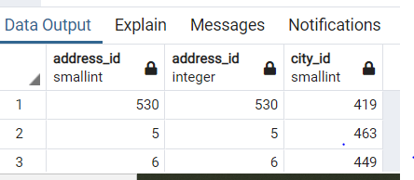
15 | 15 | 440
16 | 16 | 582
17 | 17 | 384
18 | 18 | 120
19 | 19 | 76
20 | 20 | 495
21 | 21 | 156
22 | 22 | 252
23 | 23 | 267
24 | 24 | 327
25 | 25 | 525
26 | 26 | 443
27 | 27 | 303
28 | 28 | 128
29 | 29 | 472
30 | 30 | 121
31 | 31 | 138
32 | 32 | 346
33 | 33 | 474
34 | 34 | 316
35 | 35 | 257
36 | 36 | 239
37 | 37 | 17
38 | 38 | 284
39 | 39 | 544
40 | 40 | 31
41 | 41 | 362
42 | 42 | 115
43 | 43 | 569
44 | 44 | 353
45 | 45 | 586
46 | 46 | 394
47 | 47 | 167
48 | 48 | 308
49 | 49 | 27
50 | 50 | 343
51 | 51 | 247
52 | 52 | 367
53 | 53 | 237
54 | 54 | 379
55 | 55 | 171
56 | 56 | 1
57 | 57 | 355
58 | 58 | 227
59 | 59 | 49
60 | 60 | 397
61 | 61 | 560
62 | 62 | 282
63 | 63 | 350
64 | 64 | 231
65 | 65 | 56
66 | 66 | 441
67 | 67 | 306
68 | 68 | 139
69 | 69 | 105
70 | 70 | 321
71 | 71 | 579
72 | 72 | 475
73 | 73 | 63
74 | 74 | 13
75 | 75 | 61
76 | 76 | 517
77 | 77 | 114
78 | 78 | 431
79 | 79 | 108
80 | 80 | 402
81 | 81 | 30
82 | 82 | 425
83 | 83 | 256
84 | 84 | 217
85 | 85 | 319
86 | 86 | 479
87 | 87 | 497
88 | 88 | 40
89 | 89 | 88
90 | 90 | 489
91 | 91 | 480
92 | 92 | 113
93 | 93 | 289
94 | 94 | 332
95 | 95 | 53
96 | 96 | 183
97 | 97 | 592
98 | 98 | 82
99 | 99 | 399
100 | 100 | 41
101 | 101 | 534
102 | 102 | 12
103 | 103 | 268
104 | 104 | 238
105 | 105 | 2
106 | 106 | 34
107 | 107 | 220
108 | 108 | 543
109 | 109 | 173
110 | 110 | 225
111 | 111 | 334
112 | 112 | 213
113 | 113 | 273
114 | 114 | 159
115 | 115 | 102
116 | 116 | 292
117 | 117 | 132
118 | 118 | 148
119 | 119 | 365
120 | 120 | 403
121 | 121 | 176
122 | 122 | 185
123 | 123 | 476
124 | 124 | 147
125 | 125 | 164
126 | 126 | 305
127 | 127 | 566
128 | 128 | 281
129 | 129 | 85
130 | 130 | 410
131 | 131 | 484
132 | 132 | 236
133 | 133 | 302
134 | 134 | 190
135 | 135 | 345
136 | 136 | 87
137 | 137 | 541
138 | 138 | 421
139 | 139 | 417
140 | 140 | 211
141 | 141 | 29
142 | 142 | 207
143 | 143 | 542
144 | 144 | 123
145 | 145 | 172
146 | 146 | 149
147 | 147 | 266
148 | 148 | 340
149 | 149 | 491
150 | 150 | 499
151 | 151 | 555
152 | 152 | 442
153 | 153 | 94
154 | 154 | 202
155 | 155 | 291
156 | 156 | 354
157 | 157 | 232
158 | 158 | 590
159 | 159 | 72
160 | 160 | 381
161 | 161 | 420
162 | 162 | 187
163 | 163 | 307
164 | 164 | 310
165 | 165 | 533
166 | 166 | 297
167 | 167 | 253
168 | 168 | 529
169 | 169 | 199
170 | 170 | 304
171 | 171 | 107
172 | 172 | 240
173 | 173 | 407
174 | 174 | 550
175 | 175 | 223
176 | 176 | 58
177 | 177 | 186
178 | 178 | 373
179 | 179 | 18
180 | 180 | 483
181 | 181 | 330
182 | 182 | 456
183 | 183 | 270
184 | 184 | 405
185 | 185 | 333
186 | 186 | 126
187 | 187 | 317
188 | 188 | 438
189 | 189 | 467
190 | 190 | 195
191 | 191 | 506
192 | 192 | 62
193 | 193 | 383
194 | 194 | 513
195 | 195 | 369
196 | 196 | 169
197 | 197 | 271
198 | 198 | 204
199 | 199 | 477
200 | 200 | 325
201 | 201 | 109
202 | 202 | 218
203 | 203 | 194
204 | 204 | 35
205 | 205 | 575
206 | 206 | 77
207 | 207 | 184
208 | 208 | 557
209 | 209 | 122
210 | 210 | 83
211 | 211 | 371
212 | 212 | 51
213 | 213 | 74
214 | 214 | 7
215 | 215 | 174
216 | 216 | 65
217 | 217 | 518
218 | 218 | 508
219 | 219 | 498
220 | 220 | 28
221 | 221 | 448
222 | 222 | 251
223 | 223 | 567
224 | 224 | 593
225 | 225 | 511
226 | 226 | 235
227 | 227 | 324
228 | 228 | 243
229 | 229 | 22
230 | 230 | 37
231 | 231 | 439
232 | 232 | 406
233 | 233 | 26
234 | 234 | 86
235 | 235 | 559
236 | 236 | 596
237 | 237 | 216
238 | 238 | 233
239 | 239 | 96
240 | 240 | 527
241 | 241 | 357
242 | 242 | 473
243 | 243 | 118
244 | 244 | 226
245 | 245 | 578
246 | 246 | 422
247 | 247 | 454
248 | 248 | 294
249 | 249 | 553
250 | 250 | 328
251 | 251 | 124
252 | 252 | 520
253 | 253 | 535
254 | 254 | 390
255 | 255 | 198
256 | 256 | 312
258 | 258 | 338
259 | 259 | 413
260 | 260 | 192
261 | 261 | 342
262 | 262 | 64
263 | 263 | 460
264 | 264 | 197
265 | 265 | 136
266 | 266 | 548
267 | 267 | 414
268 | 268 | 323
269 | 269 | 203
270 | 270 | 378
271 | 271 | 447
272 | 272 | 298
273 | 273 | 395
274 | 274 | 446
275 | 275 | 255
276 | 276 | 283
277 | 277 | 584
278 | 278 | 445
279 | 279 | 263
280 | 280 | 404
281 | 281 | 573
282 | 282 | 374
283 | 283 | 222
284 | 284 | 514
285 | 285 | 389
286 | 286 | 175
287 | 287 | 411
288 | 288 | 277
289 | 289 | 69
290 | 290 | 386
291 | 291 | 152
292 | 292 | 522
293 | 293 | 563
294 | 294 | 279
295 | 295 | 562
296 | 296 | 433
297 | 297 | 470
298 | 298 | 146
299 | 299 | 140
300 | 300 | 274
301 | 301 | 400
302 | 302 | 9
303 | 303 | 387
304 | 304 | 205
305 | 305 | 398
306 | 306 | 254
307 | 307 | 536
308 | 308 | 455
309 | 309 | 99
310 | 310 | 33
311 | 311 | 507
312 | 312 | 25
313 | 313 | 262
314 | 314 | 91
315 | 315 | 215
316 | 316 | 286
317 | 317 | 515
318 | 318 | 166
319 | 319 | 490
320 | 320 | 57
321 | 321 | 336
322 | 322 | 545
323 | 323 | 97
324 | 324 | 451
325 | 325 | 516
326 | 326 | 81
327 | 327 | 45
328 | 328 | 130
329 | 329 | 591
330 | 330 | 89
331 | 331 | 269
332 | 332 | 5
333 | 333 | 119
334 | 334 | 234
335 | 335 | 42
336 | 336 | 457
337 | 337 | 143
338 | 338 | 48
339 | 339 | 505
340 | 340 | 492
341 | 341 | 427
342 | 342 | 382
343 | 343 | 392
344 | 344 | 581
345 | 345 | 201
346 | 346 | 151
347 | 347 | 84
348 | 348 | 335
349 | 349 | 370
350 | 350 | 453
351 | 351 | 320
352 | 352 | 137
353 | 353 | 209
354 | 354 | 221
355 | 355 | 531
356 | 356 | 597
357 | 357 | 52
358 | 358 | 393
359 | 359 | 461
360 | 360 | 331
361 | 361 | 464
362 | 362 | 90
363 | 363 | 429
364 | 364 | 20
365 | 365 | 32
366 | 366 | 585
367 | 367 | 66
368 | 368 | 372
369 | 369 | 188
370 | 370 | 377
371 | 371 | 50
372 | 372 | 8
373 | 373 | 356
374 | 374 | 250
375 | 375 | 191
376 | 376 | 98
377 | 377 | 415
378 | 378 | 523
379 | 379 | 572
380 | 380 | 348
381 | 381 | 285
382 | 382 | 265
383 | 383 | 471
384 | 384 | 73
385 | 385 | 549
386 | 386 | 493
387 | 387 | 322
388 | 388 | 360
389 | 389 | 210
390 | 390 | 521
391 | 391 | 258
392 | 392 | 315
393 | 393 | 104
394 | 394 | 157
395 | 395 | 358
396 | 396 | 229
397 | 397 | 6
398 | 398 | 278
399 | 399 | 181
400 | 400 | 15
401 | 401 | 228
402 | 402 | 39
403 | 403 | 44
404 | 404 | 375
405 | 405 | 135
406 | 406 | 276
407 | 407 | 92
408 | 408 | 564
409 | 409 | 380
410 | 410 | 524
411 | 411 | 111
412 | 412 | 437
413 | 413 | 230
414 | 414 | 141
415 | 415 | 430
416 | 416 | 117
417 | 417 | 208
418 | 418 | 71
419 | 419 | 19
420 | 420 | 23
421 | 421 | 134
422 | 422 | 16
423 | 423 | 450
424 | 424 | 264
425 | 425 | 155
426 | 426 | 416
427 | 427 | 293
428 | 428 | 465
429 | 429 | 468
430 | 430 | 452
431 | 431 | 418
432 | 432 | 189
433 | 433 | 510
434 | 434 | 547
435 | 435 | 150
436 | 436 | 501
437 | 437 | 364
438 | 438 | 351
439 | 439 | 391
440 | 440 | 249
441 | 441 | 565
442 | 442 | 290
443 | 443 | 272
444 | 444 | 70
445 | 445 | 144
446 | 446 | 59
447 | 447 | 540
448 | 448 | 486
449 | 449 | 530
450 | 450 | 161
451 | 451 | 554
452 | 452 | 352
453 | 453 | 160
454 | 454 | 481
455 | 455 | 509
456 | 456 | 154
457 | 457 | 3
458 | 458 | 326
459 | 459 | 556
460 | 460 | 153
461 | 461 | 600
462 | 462 | 435
463 | 463 | 532
464 | 464 | 423
465 | 465 | 170
466 | 466 | 182
467 | 467 | 558
468 | 468 | 196
469 | 469 | 428
470 | 470 | 595
471 | 471 | 145
472 | 472 | 129
473 | 473 | 78
474 | 474 | 388
475 | 475 | 206
476 | 476 | 244
477 | 477 | 359
478 | 478 | 301
479 | 479 | 158
480 | 480 | 385
481 | 481 | 179
482 | 482 | 500
483 | 483 | 36
484 | 484 | 11
485 | 485 | 180
486 | 486 | 347
487 | 487 | 125
488 | 488 | 142
489 | 489 | 587
490 | 490 | 469
491 | 491 | 4
492 | 492 | 408
493 | 493 | 288
494 | 494 | 376
495 | 495 | 487
496 | 496 | 337
497 | 497 | 261
498 | 498 | 504
499 | 499 | 434
500 | 500 | 47
501 | 501 | 432
502 | 502 | 589
503 | 503 | 444
504 | 504 | 93
505 | 505 | 318
506 | 506 | 314
507 | 507 | 478
508 | 508 | 552
509 | 509 | 245
510 | 510 | 519
511 | 511 | 412
512 | 512 | 163
513 | 513 | 568
514 | 514 | 110
515 | 515 | 259
516 | 516 | 502
517 | 517 | 312
519 | 519 | 583
520 | 520 | 594
521 | 521 | 127
522 | 522 | 60
523 | 523 | 116
524 | 524 | 482
525 | 525 | 224
526 | 526 | 366
527 | 527 | 588
528 | 528 | 458
529 | 529 | 571
531 | 531 | 551
532 | 532 | 101
533 | 533 | 339
534 | 534 | 67
535 | 535 | 75
536 | 536 | 165
537 | 537 | 287
538 | 538 | 100
539 | 539 | 80
540 | 540 | 24
541 | 541 | 363
542 | 542 | 539
543 | 543 | 42
544 | 544 | 46
545 | 545 | 561
546 | 546 | 436
547 | 547 | 309
548 | 548 | 396
549 | 549 | 68
550 | 550 | 485
551 | 551 | 275
552 | 552 | 462
553 | 553 | 260
554 | 554 | 528
555 | 555 | 459
556 | 556 | 599
557 | 557 | 21
558 | 558 | 193
559 | 559 | 368
560 | 560 | 426
561 | 561 | 112
562 | 562 | 496
563 | 563 | 570
564 | 564 | 577
565 | 565 | 79
566 | 566 | 43
567 | 567 | 178
568 | 568 | 488
569 | 569 | 95
570 | 570 | 580
571 | 571 | 214
572 | 572 | 538
573 | 573 | 466
574 | 574 | 55
575 | 575 | 299
576 | 576 | 341
577 | 577 | 409
578 | 578 | 133
579 | 579 | 598
580 | 580 | 10
581 | 581 | 131
582 | 582 | 168
583 | 583 | 526
584 | 584 | 103
585 | 585 | 344
586 | 586 | 219
587 | 587 | 246
588 | 588 | 212
589 | 589 | 494
590 | 590 | 54
591 | 591 | 424
592 | 592 | 546
593 | 593 | 106
594 | 594 | 574
595 | 595 | 311
596 | 596 | 14
597 | 597 | 248
598 | 598 | 512
599 | 599 | 177
600 | 600 | 241
601 | 601 | 242
602 | 602 | 401
603 | 603 | 503
604 | 604 | 296
605 | 605 | 537

Top 10 Countries of Customers
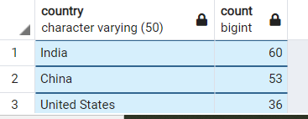
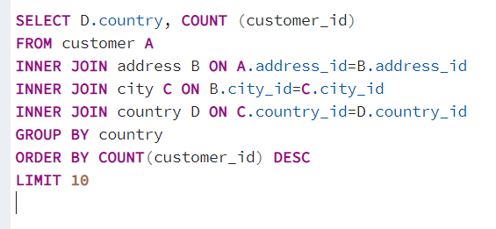
country | count
India | 60
China | 53
United States | 36
Japan | 31
Mexico | 30
Brazil | 28
Russian Federation | 28
Philippines | 20
Turkey | 15
Indonesia | 14

